Sheet1
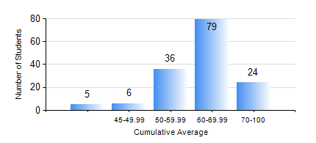
 |  |  | KWAME NKRUMAH UNIVERSITY OF SCIENCE AND TECHNOLOGY, KUMASI Department of Geological Engineering

 |  |  | BSC. GEOLOGICAL ENG.

 |  |  | COMPREHENSIVE RECORD OF EXAMINATION RESULTS

 |  |  | RESULTS OF YEAR 4 FIRST SEMESTER, 2022/2023 ACADEMIC YEAR

 | Sn | Course Code |  | Course Name | Credit Hours | Min. Mark | Max. Mark | Avg. Mark | Std. Dev. | No. Passed | No. Trailed | No. (Df) | No. (I) | No. (I*) | No. Tagged(I,I*,Df) | Total
 | 0. |  |  |  |  |  |  | 0 | 0 | 0 | 0 | 0 | 0 | 0 | 0 | 1
 | 1. | CE 477 |  | GEOTECHNICAL ENGINEERING I | 3 | 25 | 90 | 61 | 15.74 | 138 | 11 | 0 | 0 | 0 | 0 | 149
 | 2. | GED 451 |  | REGIONAL GEOLOGY | 3 | 40 | 89 | 68 | 10.75 | 149 | 0 | 0 | 0 | 0 | 0 | 149
 | 3. | GED 457 |  | PROJECT 1 | 3 | 54 | 84 | 71 | 6.13 | 149 | 0 | 0 | 0 | 0 | 0 | 149
 | 4. | GED 459 |  | EXPLORATION GEOCHEMISTRY | 2 | 15 | 90 | 67 | 12.87 | 145 | 4 | 0 | 0 | 0 | 0 | 149
 | 5. | GED 461 |  | EXPLORATION GEOPHYSICS | 2 | 25 | 84 | 54 | 12.69 | 131 | 18 | 0 | 0 | 0 | 0 | 149
 | 6. | GED 465 |  | ENGINEERING GEOLOGICAL INVESTIGATIONS | 2 | 41 | 83 | 66 | 9.25 | 149 | 0 | 0 | 0 | 0 | 0 | 149
 | 7. | GED 471 |  | INDUSTRIAL TRAINING | 0 | 46 | 83 | 73 | 5.94 | 147 | 0 | 2 | 0 | 0 | 2 | 149
 | 8. | GED 475 |  | PRINCIPLES OF HYDROGEOLOGY | 3 | 19 | 93 | 57 | 15.4 | 129 | 20 | 0 | 0 | 0 | 0 | 149

